Chart 1
 | Index
Chart 1. Market share of instruments of payments (POS)

 | cash | cards | other | Total
Number | 124 | 30 | 3 | 157
Value | € 1,530 | € 1,110 | € 205 | € 2,845

 | Cash | Cards | Other | Total
Value | 53.8% | 39.0% | 7.2% | 100%
Number | 78.8% | 19.1% | 2.1% | 100%

Sources: ECB, Deutsche Bundesbank and De Nederlandsche Bank
Note: Euro area results, adjusted for country size.

Chart 2 and 3
Chart 2 and 3 |  | Index
Share of cash transactions per country at the POS
Number and Value of transactions

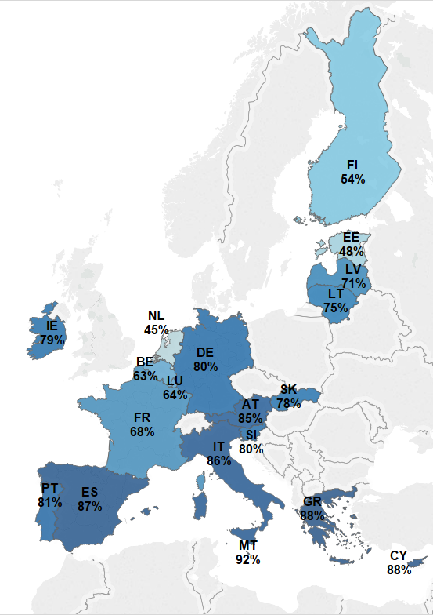
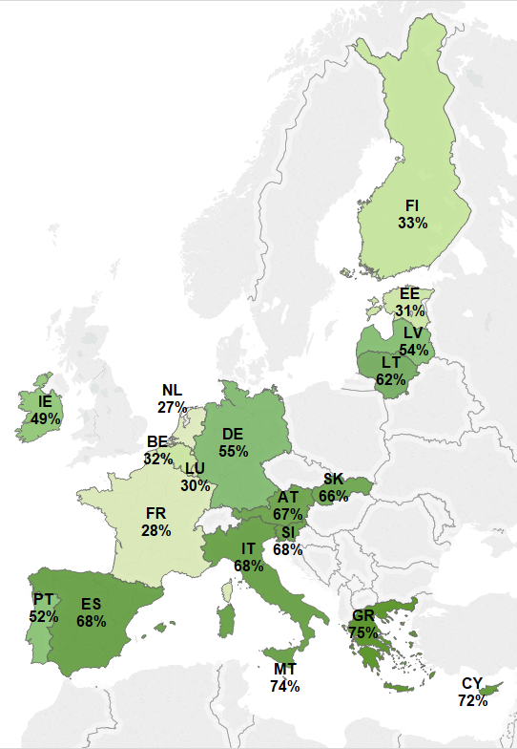
 |  |  |  |  | Number | Value
 | Number of transactions |  | Value of transactions |  | Cash | Cash
 |  |  |  | AT | 85% | 67%
 |  |  |  | BE | 63% | 32%
 |  |  |  | CY | 88% | 72%
 |  |  |  | EE | 48% | 31%
 |  |  |  | ES | 87% | 68%
 |  |  |  | FI | 54% | 33%
 |  |  |  | FR | 68% | 28%
 |  |  |  | GR | 88% | 75%
 |  |  |  | IE | 79% | 49%
 |  |  |  | IT | 86% | 68%
 |  |  |  | LT | 75% | 62%
 |  |  |  | LU | 64% | 30%
 |  |  |  | LV | 71% | 54%
 |  |  |  | MT | 92% | 74%
 |  |  |  | PT | 81% | 52%
 |  |  |  | SI | 80% | 68%
 |  |  |  | SK | 78% | 66%
 |  |  |  | NL | 45% | 27%
 |  |  |  | DE | 80% | 55%

 | Sources: ECB, Deutsche Bundesbank and De Nederlandsche Bank. |  | Sources: ECB, Deutsche Bundesbank and De Nederlandsche Bank.

Chart 4
Chart 4 |  | Index
Average value of a transaction at the POS:

4a: cash
 | average value cash
CY | € 18.6
LU | € 18.0
AT | € 17.8
DE | € 16.7
IE | € 16.3
GR | € 15.9
MT | € 15.7
SI | € 14.3
IT | € 13.6
NL | € 12.8
FI | € 12.7
euro area | € 12.4
BE | € 11.9 |  | Sources: ECB, Deutsche Bundesbank and De Nederlandsche Bank.
LT | € 10.6
SK | € 10.5
EE | € 10.4
ES | € 8.8
LV | € 8.2
FR | € 7.6
PT | € 7.5

4b: cards

 | average value cards
LU | € 70.8
MT | € 52.2
DE | € 51.4
CY | € 49.1
AT | € 41.4
BE | € 40.0
FR | € 38.4
IT | € 37.7
euro area | € 36.9
GR | € 35.9
IE | € 32.6 |  |  | Chart 4 formatted
PT | € 29.4
ES | € 29.2 |  | Sources: ECB, Deutsche Bundesbank and De Nederlandsche Bank.
FI | € 28.5
NL | € 28.0
SI | € 27.5
LT | € 16.3
SK | € 16.0
EE | € 15.7
LV | € 14.3

4c:
 | average value other
IE | € 386.5
CY | € 142.3
LU | € 130.1
MT | € 117.1
AT | € 93.8
EE | € 90.1
GR | € 86.6
DE | € 74.3
FR | € 63.1
euro area | € 61.9
BE | € 58.1
FI | € 55.5 |  | Sources: ECB, Deutsche Bundesbank and De Nederlandsche Bank.
IT | € 44.1
LT | € 42.3
PT | € 40.1
LV | € 38.5
SK | € 36.6
SI | € 34.2
ES | € 20.1
NL | € 0.0

Chart 5
Chart 5 |  | Index
Average number of transactions per person per day, by instrument of payment

Instrument | cash | cards | other
IT | 1.7 | 0.3 | 0.02
ES | 1.7 | 0.2 | 0.03
GR | 1.6 | 0.2 | 0.02
MT | 1.5 | 0.1 | 0.02
CY | 1.4 | 0.2 | 0.01
PT | 1.4 | 0.3 | 0.02
AT | 1.4 | 0.2 | 0.03
IE | 1.3 | 0.3 | 0.03
SK | 1.3 | 0.3 | 0.05
SI | 1.3 | 0.3 | 0.04
euro area | 1.2 | 0.3 | 0.03
LU | 1.2 | 0.6 | 0.06
LT | 1.1 | 0.3 | 0.04
LV | 1.0 | 0.4 | 0.05 | Source: Authors’ calculation based on data from the ECB, Deutsche Bundesbank and De Nederlandsche Bank.
DE | 1.0 | 0.2 | 0.04
FR | 0.9 | 0.4 | 0.05
BE | 0.8 | 0.4 | 0.07
FI | 0.7 | 0.5 | 0.03
NL | 0.6 | 0.8 | 0.00
EE | 0.5 | 0.5 | 0.04

Chart 6
Chart 6 |  | Index
Average number of POS payments per person per day

 |  |  | POS payments per person per day
 | average |  | 1.6

 | POS payments per person per day
 | 1.6112605267
male | 1.6067952548
female | 1.4669330567
18-24 | 1.2991468715
25-39 | 1.5297059169
40-54 | 1.6040760811
55-64 | 1.5945001631
65+ | 1.5908181695
no educ / still studying | 1.4610337421
low | 1.510896797
medium | 1.5989821362
high | 1.7951181848
 | gender | male | 1.6
 |  | female | 1.5

 | age | 18-24 | 1.3
 |  | 25-39 | 1.5
 |  | 40-54 | 1.6
 |  | 55-64 | 1.6
 |  | 65+ | 1.6

 | education | no educ / still studying | 1.5
 |  | low | 1.5
 |  | medium | 1.6
 |  | high | 1.8 | Source: Authors’ calculation based on data from the ECB, Deutsche Bundesbank and De Nederlandsche Bank.

Chart 7
Chart 7 |  | Index
Average number of cash payments at the POS, per person per day

 |  |  | cash payments per person per day
 | average |  | 1.2

 | gender | male | 1.3
 |  | female | 1.2
 | cash payments per person per day
 | 1.2
male | 1.3
female | 1.2
18-24 | 1.0
25-39 | 1.2
40-54 | 1.3
55-64 | 1.3
65+ | 1.3
no educ / still studying | 1.1
low | 1.3
medium | 1.3
high | 1.4
 | age | 18-24 | 1.0
 |  | 25-39 | 1.2
 |  | 40-54 | 1.3
 |  | 55-64 | 1.3
 |  | 65+ | 1.3

 | education | no educ / still studying | 1.1
 |  | low | 1.3
 |  | medium | 1.3
 |  | high | 1.4
 |  |  |  | Source: Authors’ calculation based on data from the ECB, Deutsche Bundesbank and De Nederlandsche Bank.

Chart 8
Chart 8 |  | Index
Average number of card payments at the POS, per person per day

 |  |  | cards payments per person per day
 | average |  | 0.3

 | cards payments per person per day
 | 0.3
male | 0.3
female | 0.3
18-24 | 0.2
25-39 | 0.3
40-54 | 0.3
55-64 | 0.3
65+ | 0.3
no educ / still studying | 0.3
low | 0.2
medium | 0.3
high | 0.4
 | gender | male | 0.30
 |  | female | 0.26

 | age | 18-24 | 0.24
 |  | 25-39 | 0.33
 |  | 40-54 | 0.29
 |  | 55-64 | 0.27
 |  | 65+ | 0.26

 | education | no educ / still studying | 0.3
 |  | low | 0.2
 |  | medium | 0.3 | Source: Authors’ calculation based on data from the ECB, Deutsche Bundesbank and De Nederlandsche Bank.
 |  | high | 0.4

Chart 9
Chart 9 |  | Index
Use of payment instruments at the POS, by value range

transaction size | cash | debit card | credit card | contactless card | cheque | credit transfer | direct debit | internet | other
> €100 | 32% | 35% | 21% | 0% | 4% | 4% | 1% | 1% | 2% | 100%
€50 to €99.99 | 39% | 36% | 20% | 0% | 2% | 1% | 0% | 0% | 2% | 100%
€45 to €49.99 | 44% | 31% | 20% | 0% | 2% | 0% | 1% | 0% | 1% | 100%
€40 to €44.99 | 50% | 31% | 16% | 0% | 1% | 1% | 0% | 0% | 0% | 100%
€35 to €39.99 | 51% | 30% | 16% | 0% | 1% | 1% | 0% | 0% | 1% | 100%
€30 to €34.99 | 54% | 29% | 12% | 0% | 2% | 1% | 0% | 0% | 1% | 100%
€25 to €29.99 | 57% | 26% | 13% | 0% | 1% | 0% | 0% | 0% | 1% | 100%
€20 to €24.99 | 67% | 20% | 11% | 0% | 1% | 0% | 0% | 0% | 1% | 100%
€15 to €19.99 | 71% | 17% | 9% | 1% | 1% | 0% | 0% | 0% | 1% | 100%
€10 to €14.99 | 79% | 13% | 6% | 1% | 0% | 0% | 0% | 0% | 1% | 100%
€5 to €9.99 | 86% | 8% | 4% | 1% | 0% | 0% | 0% | 0% | 0% | 100%
< €5 | 93% | 4% | 1% | 1% | 0% | 0% | 0% | 0% | 1% | 100%

% 19 countries | % from total POS
< €5 | 34%
€5 to €9.99 | 19%
€10 to €14.99 | 13%
€15 to €19.99 | 8%
€20 to €24.99 | 7%
€25 to €29.99 | 3%
€30 to €34.99 | 3%
€35 to €39.99 | 2%
€40 to €44.99 | 2%
€45 to €49.99 | 1%
€50 to €99.99 | 6%
> €100 | 2%
Total | 100%

 |  |  |  |  |  | Sources: ECB, Deutsche Bundesbank and De Nederlandsche Bank

Chart 10
Chart 10 |  | Index
Market share of main instrument of payments
Number of transactions

 | market share | Sector | cash | debit card | credit card | contactless | cheque | credit transfer | direct debit | internet | other | cards
hotel, guest house or camping | 0% | Hotel, guest house or camping | 45% | 18% | 14% | 4% | 7% | 8% | 3% | 0% | 1% | 37%
in a shop for durable goods (clothing, electronics, etc.) | 6% | In a shop for durable goods (clothing, electronics, etc.) | 56% | 29% | 11% | 1% | 1% | 0% | 0% | 0% | 1% | 41%
petrol station | 8% | Petrol station | 60% | 26% | 11% | 1% | 1% | 0% | 0% | 0% | 1% | 38%
other POS | 5% | Other | 63% | 15% | 7% | 1% | 2% | 4% | 1% | 1% | 6% | 23%
office of a public authority | 1% | Office of a public authority | 69% | 15% | 6% | 1% | 3% | 4% | 1% | 1% | 0% | 22%
in a shop for day-to-day items (supermarket, etc.) | 48% | In a shop for day-to-day items (supermarket, etc.) | 80% | 13% | 5% | 1% | 0% | 0% | 0% | 0% | 1% | 19%
arts, entertainment & recreation | 2% | Arts, entertainment & recreation | 83% | 8% | 4% | 1% | 1% | 1% | 1% | 0% | 1% | 13%
at a vending or ticketing machine | 3% | At a vending or ticketing machine | 84% | 8% | 2% | 1% | 0% | 1% | 0% | 1% | 3% | 11%
restaurant, bar or cafe | 21% | Restaurant, bar or cafe | 90% | 5% | 3% | 1% | 0% | 0% | 0% | 0% | 1% | 9%
street or market (newspaper, florist, etc) | 5% | Street or market (newspaper, florist, etc) | 90% | 3% | 3% | 1% | 1% | 1% | 0% | 0% | 0% | 7%
 |  | Total | 79% | 13% | 5% | 1% | 1% | 0% | 0% | 0% | 1% | 19%

Sources: ECB, Deutsche Bundesbank and De Nederlandsche Bank

Chart11
Chart 11 |  | Index
Market share of main instruments of payments
Value of transactions

 | market share | Sector | cash | debit card | credit card | contactless card | cheque | credit transfer | direct debit | internet | other
hotel, guest house or camping | 1% | Hotel, guest house or camping | 31% | 20% | 18% | 0% | 6% | 22% | 0% | 2% | 0%
in a shop for durable goods (clothing, electronics, etc.) | 13% | In a shop for durable goods (clothing, electronics, etc.) | 36% | 40% | 14% | 1% | 3% | 3% | 1% | 0% | 2%
other | 12% | Other | 38% | 20% | 12% | 0% | 11% | 13% | 2% | 2% | 1%
petrol station | 12% | Petrol station | 46% | 35% | 15% | 0% | 0% | 1% | 0% | 0% | 2%
at a vending or ticketing machine | 1% | At a vending or ticketing machine | 56% | 26% | 10% | 1% | 0% | 2% | 3% | 0% | 2%
in a shop for day-to-day items (supermarket, etc.) | 42% | In a shop for day-to-day items (supermarket, etc.) | 59% | 26% | 13% | 1% | 1% | 0% | 0% | 0% | 1%
office of a public authority | 3% | Office of a public authority | 62% | 16% | 6% | 0% | 2% | 9% | 3% | 0% | 1%
arts, entertainment & recreation | 2% | Arts, entertainment & recreation | 63% | 17% | 14% | 1% | 1% | 1% | 1% | 1% | 1%
restaurant, bar or cafe | 11% | Restaurant, bar or cafe | 76% | 13% | 8% | 1% | 1% | 0% | 0% | 0% | 2%
street or market (newspaper, florist, etc) | 2% | Street or market (newspaper, florist, etc) | 81% | 7% | 6% | 1% | 3% | 1% | 0% | 0% | 0%
 |  | Total | 54% | 26% | 13% | 0% | 2% | 3% | 1% | 0% | 1%

 | Sources: ECB, Deutsche Bundesbank and De Nederlandsche Bank

Chart12
Chart 12 |  | Index
Use of cash for recurrent payments (number of respondents)

 | Euro area | AT | BE | CY | EE | GR | ES | FI | FR | IE | IT | LT | LU | LV | MT | PT | SI | SK | NL | max1
Rent or mortgage | 5.85% | 1.73% | 1.98% | 12.56% | 5.80% | 25.85% | 5.02% | 0.52% | 1.86% | 9.92% | 6.30% | 12.08% | 0.57% | 12.73% | 14.57% | 8.04% | 10.12% | 15.38% | 0.72% | 25.85% | GR
Electricity supply | 12.53% | 1.07% | 2.47% | 37.44% | 2.18% | 55.69% | 4.77% | 0.31% | 2.61% | 16.67% | 23.25% | 23.83% | 0.57% | 12.17% | 27.14% | 8.41% | 20.07% | 20.70% | 0.55% | 55.69% | GR
Gas or oil supply | 13.61% | 1.98% | 4.18% | 37.69% | 1.95% | 35.24% | 12.43% | 0.31% | 4.81% | 12.97% | 20.28% | 20.61% | 3.70% | 16.90% | 66.08% | 25.49% | 15.09% | 17.52% | 0.66% | 66.08% | MT
Telephone line or mobile phone | 15.99% | 3.30% | 4.08% | 38.44% | 2.18% | 56.40% | 6.36% | 0.52% | 2.01% | 16.78% | 34.66% | 20.67% | 1.04% | 11.56% | 29.90% | 10.42% | 26.24% | 17.57% | 1.31% | 56.40% | GR
Medical bills (including dentist, vet, etc.) | 31.32% | 47.18% | 48.02% | 69.85% | 34.85% | 69.05% | 22.92% | 6.87% | 11.69% | 30.11% | 40.66% | 50.37% | 25.59% | 59.53% | 66.83% | 33.63% | 27.44% | 66.58% | 2.21% | 69.85% | CY
Insurances (car, home, etc.) | 9.51% | 1.42% | 1.66% | 47.49% | 2.01% | 44.11% | 3.58% | 0.31% | 0.55% | 6.16% | 18.38% | 18.52% | 1.04% | 9.12% | 20.60% | 6.82% | 24.19% | 16.21% | 0.71% | 47.49% | CY
Taxes | 9.05% | 0.81% | 0.75% | 40.45% | 1.55% | 37.79% | 5.97% | 0.57% | 1.05% | 3.05% | 15.51% | 29.25% | 0.38% | 9.23% | 7.04% | 6.66% | 13.26% | 20.54% | 0.64% | 40.45% | CY
None of these | 53.07% | 48.81% | 45.23% | 16.08% | 60.22% | 6.83% | 62.66% | 91.88% | 82.05% | 49.47% | 32.97% | 21.12% | 72.32% | 31.24% | 9.05% | 47.81% | 41.62% | 16.63% | 96.50% | 96.50% | NL
DK/NA | 0.15% | 0.81% | 0.05% | 0.00% | 0.06% | 0.00% | 0.05% | 0.16% | 0.05% | 0.00% | 0.20% | 0.73% | 0.19% | 0.33% | 1.01% | 0.69% | 0.17% | 0.00% | 0.00%

 | euro area | AT | BE | CY | EE | GR | ES | FI | FR | IE | IT | LT | LU | LV | MT | PT | SI | SK | NL | max2
rent or mortgage | 6% | 1.73% | 1.98% | 12.56% | 5.80% |  | 5.02% | 0.52% | 1.86% | 9.92% | 6.30% | 12.08% | 0.57% | 12.73% | 14.57% | 8.04% | 10.12% | 15.38% | 0.72% | 15.38% | SK
electricity supply | 13% | 1.07% | 2.47% | 37.44% | 2.18% |  | 4.77% | 0.31% | 2.61% | 16.67% | 23.25% | 23.83% | 0.57% | 12.17% | 27.14% | 8.41% | 20.07% | 20.70% | 0.55% | 37.44% | CY
gas or oil supply | 14% | 1.98% | 4.18% | 37.69% | 1.95% | 35.24% | 12.43% | 0.31% | 4.81% | 12.97% | 20.28% | 20.61% | 3.70% | 16.90% |  | 25.49% | 15.09% | 17.52% | 0.66% | 37.69% | CY
telephone line or mobile phone | 16% | 3.30% | 4.08% | 38.44% | 2.18% |  | 6.36% | 0.52% | 2.01% | 16.78% | 34.66% | 20.67% | 1.04% | 11.56% | 29.90% | 10.42% | 26.24% | 17.57% | 1.31% | 38.44% | CY
medical bills | 31% | 47.18% | 48.02% |  | 34.85% | 69.05% | 22.92% | 6.87% | 11.69% | 30.11% | 40.66% | 50.37% | 25.59% | 59.53% | 66.83% | 33.63% | 27.44% | 66.58% | 2.21% | 69.05% | GR
insurance policies | 10% | 1.42% | 1.66% |  | 2.01% | 44.11% | 3.58% | 0.31% | 0.55% | 6.16% | 18.38% | 18.52% | 1.04% | 9.12% | 20.60% | 6.82% | 24.19% | 16.21% | 0.71% | 44.11% | GR
taxes | 9% | 0.81% | 0.75% |  | 1.55% | 37.79% | 5.97% | 0.57% | 1.05% | 3.05% | 15.51% | 29.25% | 0.38% | 9.23% | 7.04% | 6.66% | 13.26% | 20.54% | 0.64% | 37.79% | GR
...
 | Euro area | AT | BE | CY | EE | GR | ES | FI | FR | IE | IT | LT | LU | LV
DK/NA | 0.15% | 0.81% | 0.05% | 0.00% | 0.06% | 0.00% | 0.05% | 0.16% | 0.05% | 0.00% | 0.20% | 0.73% | 0.19% | 0.33%

Question: Which of the following expenses do you mainly pay in cash?
Base is 30,871 respondents from the euro area

 | euro area | max1 | max2 | max3 | max4 | max5
rent or mortgage | 6% | 25.85% | 15.38% | 14.57% | 12.73% | 12.56%
electricity supply | 13% | 55.69% | 37.44% | 27.14% | 23.83% | 23.25%
gas or oil supply | 14% | 66.08% | 37.69% | 35.24% | 25.49% | 20.61%
telephone line or mobile phone | 16% | 56.40% | 38.44% | 34.66% | 29.90% | 26.24%
medical bills | 31% | 69.85% | 69.05% | 66.83% | 66.58% | 59.53%
insurance policies | 10% | 47.49% | 44.11% | 24.19% | 20.60% | 18.52%
taxes | 9% | 40.45% | 37.79% | 29.25% | 20.54% | 15.51%
none of these | 53% | 96.50% | 91.88% | 82.05% | 72.32% | 62.66%

 |  | Sources: ECB and De Nederlandsche Bank.

Chart 13
Chart 13 |  | Index
Use of contactless payment cards up to €25 in the euro area by spending range

Value range | share of contactless payments by spending range
< € 5 | 35%
from €5 to €9.99 | 29%
from €10 to €14.99 | 20%
from €15 to €19.99 | 10%
from €20 to €24.99 | 6%
Total contactless payments | 100%

 |  |  | Sources: ECB and De Nederlandsche Bank.

Chart14
Chart 14 |  | Index
Relative use of contactless payment cards up to €25 by demographic characteristics

 | relative use of contactles cards
average consumer | 1.00
male | 1.11
female | 0.89
18-24 | 0.95
25-39 | 1.25
40-54 | 1.06
55-64 | 0.89
65+ | 0.85
no educ / still studying | 1.01
low | 0.75
medium | 0.93
high | 1.32
average consumer | 1.00

male | 1.11
female | 0.89

18-24 | 0.95
25-39 | 1.25
40-54 | 1.06
55-64 | 0.89
65+ | 0.85

no educ / still studying | 1.01 |  | Source: ECB
low | 0.75
medium | 0.93
high | 1.32

Chart 15
...
Country | uncapped | up to €25
NL | 9.6%
SK | 4.7% | 4.3%
AT | 3.6% | 2.5%
BE | 2.3% | 1.8%
FR | 1.8% | 1.7%
euro area | 1.7% | 0.9%
FI | 1.7% | 1.6%
 | uncapped | up to €25
NL | 9.6%
SK | 4.7% | 4.3%
AT | 3.6% | 2.5%
BE | 2.3% | 1.8%
FR | 1.8% | 1.7%
euro area | 1.7% | 0.9%
FI | 1.7% | 1.6%
IE | 1.3% | 1.2%
SI | 1.1% | 0.9%
LU | 0.8% | 0.6%
LT | 0.8% | 0.6%
GR | 0.6% | 0.5%
LV | 0.6% | 0.5%
ES | 0.5% | 0.5%
IT | 0.5% | 0.4%
EE | 0.5% | 0.3%
PT | 0.4% | 0.3%
MT | 0.2% | 0.2%
CY | 0.0% | 0.0%
IE | 1.3% | 1.2%
SI | 1.1% | 0.9%
LU | 0.8% | 0.6%
LT | 0.8% | 0.6%
GR | 0.6% | 0.5%
LV | 0.6% | 0.5%
ES | 0.5% | 0.5%
IT | 0.5% | 0.4%
EE | 0.5% | 0.3%
PT | 0.4% | 0.3%
MT | 0.2% | 0.2%
CY | 0.05% | 0.05%

 |  |  | Sources: ECB and De Nederlandsche Bank.
 |  |  | Note: Data labels refer to contactless payments up to €25. The share of contactless payments in the Netherlands is based on official bank statistics as reported by the Dutch Central Bank and the Dutch Payment Association (DPA) (see Jonker et.al 2016) and it based on data from whole year 2016. The rest of estimations are based on the SUCH diary survey which was carried out up to July 2016. Data from Austria is in line with statistics from Payment Services Austria, as published in September 2016.

Chart16
Chart 16 |  | Index
Ownership of payment cards

Country | access to cards
MT | 99%
NL | 98%
LU | 98%
FI | 98%
DE | 97%
EE | 96%
FR | 95%
IE | 94%
ES | 94%
BE | 94%
PT | 94%
euro area | 93%
LV | 92%
IT | 89%
SK | 88%
SI | 88%
GR | 86%
LT | 85% |  | Sources: ECB, Deutsche Bundesbank and De Nederlandsche Bank
AT | 84% |  | Note: Payment card is defined as either a debit or a credit card. Authors’ calculations based on the diary and questionnaire surveys.
CY | 66%

Chart 17
Chart 17 | Index | average | euro area | 93%
Card ownership by demographic characteristics
 |  | gender | male | 95%
 |  |  | female | 93%

 | card ownership
euro area | 93%
male | 95%
female | 93%
18-24 | 91%
25-39 | 94%
40-54 | 95%
55-64 | 94%
65+ | 93%
no educ./ still studying | 90%
low | 90%
medium | 94%
high | 96%
 |  | age | 18-24 | 91%
 |  |  | 25-39 | 94%
 |  |  | 40-54 | 95%
 |  |  | 55-64 | 94%
 |  |  | 65+ | 93%

 |  | education | no educ./ still studying | 90%
 |  |  | low | 90%
 |  |  | medium | 94%
 |  |  | high | 96%

Sources: ECB, Deutsche Bundesbank and De Nederlandsche Bank |  |  | total euro area | 93%

Chart 18
Chart 18 |  | Index
Perceived card acceptance

 | Acceptance, from all POS transactions
 | Yes
FI | 89%
EE | 88%
NL | 87%
FR | 85%
CY | 84%
LU | 84%
SI | 83%
LT | 81%
BE | 79%
IE | 77%
AT | 76%
LV | 74%
euro area | 72% |  | Source: Authors’ calculation based on diary survey results from the ECB, Deutsche Bundesbank and De Nederlandsche Bank.
PT | 69%
ES | 67%
IT | 67%
DE | 64%
SK | 63%
MT | 57%
GR | 57%

Chart 19
Chart 19 |  | Index
Perceived card acceptance, by place of purchase

Acceptance in EU area 17 | yes | no
at a vending or ticketing machine | 33% | 67%
street or market (newspaper, florist, etc) | 38% | 62%
restaurant, bar or cafe | 62% | 38%
arts, entertainment & recreation | 63% | 37%
office of a public authority | 75% | 25%
in a shop for day-to-day items (supermarket, etc.) | 76% | 24%
hotel, guest house or camping | 77% | 23%
in a shop for durable goods (clothing, electronics, etc.) | 90% | 10%
petrol station | 91% | 9%

 |  |  | Source: ECB

Chart 20
Chart 20 | Index
Average amount of cash in wallet

 |  | country | average cash in wallet
 |  | DE | € 103
 |  | LU | € 102
 |  | AT | € 89
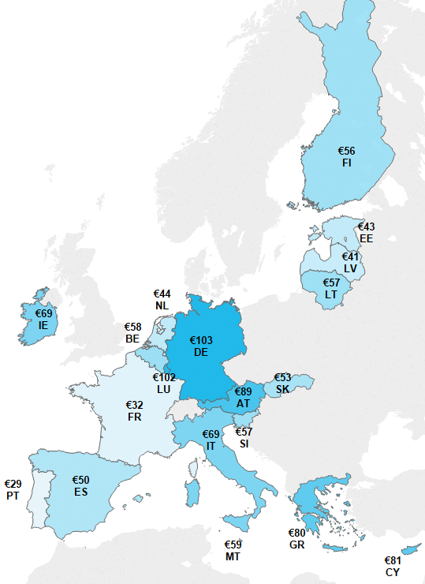
 |  | CY | € 81
 |  | GR | € 80
 |  | IE | € 69
 |  | IT | € 69
 |  | MT | € 59
 |  | BE | € 58
 |  | SI | € 57
 |  | LT | € 57
 |  | FI | € 56
 |  | SK | € 53
 |  | ES | € 50
 |  | NL | € 44
 |  | EE | € 43
 |  | LV | € 41
 |  | FR | € 32
 |  | PT | € 29

Sources: ECB, Deutsche Bundesbank and De Nederlandsche Bank

Chart 21
 | Index
euro area | 64.963414997
male | 71.34693183
female | 58.893057497
18-24 | 41.37763645
25-39 | 51.29457958
40-54 | 66.315783173
55-64 | 76.26691963
65+ | 84.090983329
no educ / still studying | 38.631907649
low | 64.47075484
medium | 65.323839617
high | 67.296516853
...
average | euro area | 65

gender | male | 71
 | female | 59

age | 18-24 | 41
 | 25-39 | 51
 | 40-54 | 66
 | 55-64 | 76
 | 65+ | 84

education | no educ / still studying | 39
 | low | 64
 | medium | 65
 | high | 67

Sources: ECB, Deutsche Bundesbank and De Nederlandsche Bank

Chart 22
Chart 22 |  | Index
Source of cash withdrawals or replenishments: number
...
at a cash dispenser (ATM) | 39%
family, friends or colleagues | 18%
cash reserves at home e.g. cash jar | 14%
doesn't know/ not stated | 9%
other source | 8%
cashback at a shop | 7%
bank counter | 6%
DK | 0%
total | 100%

 |  |  | Sources: ECB and De Nederlandsche Bank

Chart 23
Chart 23 |  | Index
Source of cash withdrawals or replenishments: value

at a cash dispenser (ATM) | 344,982 | 61%
other source | 48,593 | 9%
bank counter | 47,451 | 8%
family, friends or colleagues | 44,266 | 8%
cash reserves at home e.g. cash jar | 43,541 | 8%
doesn't know/ not stated | 26,184 | 5%
cashback at a shop | 9,915 | 2%
total | 564,931 | 100%

 |  |  | Sources: ECB and De Nederlandsche Bank

Chart 24
Chart 24 |  | Index
Number of cash withdrawals or replenishments per person per week

 | number of withdrawals per person per week
IE | 1.7
PT | 1.7
SK | 1.6
LT | 1.5
MT | 1.5
GR | 1.4
CY | 1.4
AT | 1.3
BE | 1.3
ES | 1.3
IT | 1.3
LU | 1.3
euro area | 1.2
LV | 1.2
NL | 1.2
SI | 1.2
DE | 1.1
FR | 1.1
EE | 1.0 |  | Sources: Authors’ calculation based on data from the ECB, Deutsche Bundesbank and De Nederlandsche Bank.
FI | 0.8 |  | Note: Sources of cash withdrawals or receipts considered in the survey were: bank counter, ATM, cash received from family, friends or colleagues, cash reserves at home or other source.

Chart 25
Chart 25 | Index
Average amount of cash withdrawals or replenishments (in EUR)

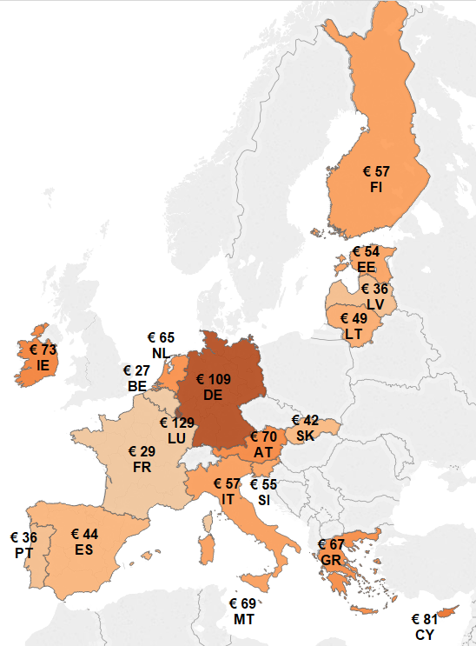
 |  | LU | € 129
 |  | DE | € 109
 |  | CY | € 81
 |  | IE | € 73
 |  | AT | € 70
 |  | MT | € 69
 |  | GR | € 67
 |  | NL | € 65
 |  | FI | € 57
 |  | IT | € 57
 |  | SI | € 55
 |  | EE | € 54
 |  | LT | € 49
 |  | ES | € 44
 |  | SK | € 42
 |  | PT | € 36
 |  | LV | € 36
 |  | FR | € 29
 |  | BE | € 27

Sources: ECB, Deutsche Bundesbank and De Nederlandsche Bank

Chart 26
Chart 26 |  | Index
Do you receive regular income in cash?

 | no | yes, at least a quarter
GR | 43% | 57%
SK | 69% | 31%
CY | 70% | 30%
LT | 72% | 28%
IE | 74% | 26%
LV | 79% | 21%
ES | 79% | 21%
IT | 80% | 20%
euro area | 84% | 16%
MT | 85% | 15%
SI | 88% | 12%
BE | 88% | 12%
PT | 89% | 11%
AT | 89% | 11%
EE | 91% | 9% | Sources: ECB and De Nederlandsche Bank.
FR | 94% | 6% | Note: No available figures from Germany.
LU | 94% | 6%
FI | 95% | 5%
NL | 95% | 5%

QA25 Chart 27
Chart 27 |  | Index
QA25 Some people like to keep cash outside a bank account as a precautionary reserve or as an alternative way of saving. Do you personally keep an extra amount of cash at home or at a safe place e. g. safety deposity box?
Base EA-18: | 30871
EA-17 | 28099
NL | 2772
EA 18
country | yes | no | don't know
SK | 40% | 60% | 0%
LT | 37% | 63% | 0%
SI | 33% | 67% | 0%
LV | 32% | 67% | 0%
EE | 31% | 68% | 0%
NL | 29% | 67% | 4%
IE | 28% | 71% | 0%
IT | 28% | 72% | 0%
PT | 27% | 73% | 0%
AT | 27% | 73% | 0% | Sources: ECB and De Nederlandsche Bank.
CY | 27% | 73% | 0% | Note: German results excluded given data availability. NL category ‘Won’t tell’ is merged with SUCH category ‘Don’t know’.
FI | 27% | 73% | 0%
LU | 26% | 74% | 0%
ES | 26% | 73% | 0%
euro area | 24% | 75% | 0%
MT | 23% | 75% | 2%
GR | 22% | 76% | 1%
BE | 19% | 80% | 1%
FR | 15% | 85% | 0%

QA22 Chart 28
Chart 28 |  | Index
QA22 In the last 12 months, have you had a EUR 200/EUR 500 banknote in your possession?
Base EA-18: | 23,544
EA-17 | 20772
NL | 2772
EA-18
country | yes | no | don't know
SI | 47% | 52% | 1%
LU | 42% | 58% | 0%
SK | 42% | 58% | 0%
LT | 41% | 59% | 0%
AT | 36% | 64% | 0%
CY | 29% | 71% | 0%
ES | 27% | 73% | 0%
FI | 25% | 75% | 0%
LV | 24% | 76% | 0%
BE | 22% | 78% | 0%
IT | 21% | 79% | 0%
euro area | 19% | 81% | 0%
GR | 19% | 81% | 0% | Sources: ECB and De Nederlandsche Bank.
EE | 18% | 82% | 0% | Note: Question is not comparable with the German questionnaire.
PT | 17% | 82% | 1%
MT | 16% | 84% | 1%
IE | 11% | 89% | 0%
FR | 8% | 92% | 0%
NL | 7% | 93% | 0%

QA23 Chart 29
Chart 29 |  | Index
QA23 How did the EUR200/EUR 500 banknote come into your possession?
Base EA-18: | 4462
EA-17 | 4255
NL | 207

EA18 average
don't know | 1%
other | 9%
you received it for the private sale of a good or service to another person | 16%
you received it as a gift | 17%
you received it as a part of your salary or income | 15%
you withdrew it at the bank counter or from a cash dispenser (ATM) | 47%

 |  |  | Sources: ECB and De Nederlandsche Bank.
 |  |  | Note: Question is not comparable for Germany.

QA24 Chart 30
Chart 30 |  | Index
QA24 What did/do you do with it?
Base EA-18: | 4462
EA-17 | 4255
NL | 207

EA18 average
don't know | 5%
you decided to store it | 10%
you deposited it to the bank or exchanged it for smaller denominations | 28%
you used it as a gift | 11%
you used it for the purchase of a good or service from another person | 12%
you used it for a purchase of a good or service in a shop | 40%

 |  |  | Sources: ECB and De Nederlandsche Bank.
 |  |  | Note: Question is not comparable for Germany

QA3 QA5 QA10 Chart31
Chart 31 |  | Index
How often do you tipically withdraw cash from a bank counter (AQ3), an ATM (AQ5) or via cash-back (AQ10)?
Base bank counter | 28099 | EA-17
Base ATM | 28099
Base cash-back | 4985

 | ATM | bank counter | cashback
don't know | 1% | 0% | 1%
several times per week | 10% | 2% | 2%
once a week | 26% | 6% | 4%
two or three times per month | 36% | 12% | 6%
several times per year | 17% | 15% | 8%
once a year or less often | 3% | 17% | 10%
never | 7% | 48% | 70%

 |  |  |  | Source: ECB.

QA4 QA6 Chart32
Chart 32 |  | Index
What is the average amount you withdraw from a bank counter (QA4) or an ATM (QA6) per month?
Base bank counter | 9881 | EA-17
Base ATM | 25104
 | ATM | bank counter
don't know | 0% | 1%
you do not have a typical withdrawal amount | 4% | 11%
more than EUR 500 | 3% | 15%
more than EUR 200 to EUR 500 | 14% | 21%
more than EUR 100 to EUR 200 | 17% | 18%
more than EUR 50 to EUR 100 | 24% | 15%
more than EUR 20 to EUR 50 | 31% | 16%
EUR 20 or less | 8% | 5%

 |  |  | Source: ECB.

QA7 Chart 33
...
 | Index
2459

very easy | fairly easy | fairly difficult | very difficult | don't know/no bank account/never withdraws
77% | 21% | 1% | 1% | 0%
70% | 23% | 6% | 1% | 0%
66% | 24% | 9% | 1% | 0%
65% | 32% | 2% | 0% | 1%
59% | 38% | 3% | 0% | 0%
58% | 40% | 3% | 0% | 0%
54% | 39% | 6% | 1% | 0%
52% | 43% | 4% | 1% | 0%
51% | 44% | 4% | 0% | 0%
51% | 43% | 5% | 1% | 1%
50% | 46% | 3% | 0% | 0%
50% | 45% | 5% | 0% | 0%
48% | 45% | 6% | 1% | 0%
48% | 44% | 6% | 1% | 1%
46% | 46% | 5% | 1% | 2%
44% | 45% | 8% | 3% | 0%
44% | 48% | 7% | 1% | 1%
44% | 49% | 7% | 1% | 0%
39% | 51% | 8% | 2% | 0%
38% | 50% | 9% | 3% | 0%
...

QA9 Chart 34
Chart 34 |  | Index
QA9 Are you satisfied or not with the different denominations available at cash dispensers (ATMs)? |  |  |  |  | multiple answers possible
Base EA-18: | 21137
EA-17 | 18678
NL | 2459

country | yes | no, different denominations should be available | don't know
MT | 82% | 16% | 2%
AT | 74% | 26% | 0%
EE | 71% | 28% | 1%
CY | 70% | 29% | 1%
SI | 69% | 31% | 0%
LT | 64% | 35% | 0%
FI | 62% | 37% | 0%
FR | 62% | 37% | 1%
LU | 61% | 39% | 0%
NL | 57% | 43% | 0%
BE | 57% | 43% | 0%
euro area | 56% | 44% | 0%
IT | 55% | 45% | 0% | Sources: ECB and De Nederlandsche Bank.
LV | 54% | 46% | 0%
ES | 52% | 48% | 0%
SK | 52% | 48% | 0%
PT | 48% | 50% | 1%
GR | 36% | 64% | 0%
IE | 34% | 66% | 0%

QA9 Chart 35
Chart 35 |  | Index
QA9 Are you satisfied or not with the different denominations available at cash dispensers (ATMs)? |  |  |  | multiple answers possible
Base EA-18: | 21137
EA-17 | 18678
NL | 2459

don't know | 0%
no, €100 and above denominations are not always available | 4%
no, €50 banknotes are not always available | 2%
no, €20 banknotes are not always available | 7%
no, €10 banknotes are not always available | 26%
no, €5 banknotes are not always available | 26%
yes | 56%

 |  |  | Sources: ECB and De Nederlandsche Bank.

QA15 Chart 36
...
 | cash | card or other non-cash payment methods | you have no clear preference between cash or non-cash payment methods | don't know
CY | 59% | 30% | 12% | 0%
AT | 48% | 31% | 20% | 0%
MT | 48% | 37% | 15% | 0%
IE | 46% | 33% | 21% | 0%
SI | 44% | 47% | 10% | 0%
GR | 43% | 39% | 17% | 0%
ES | 42% | 40% | 18% | 0%
LT | 40% | 44% | 15% | 0%
IT | 39% | 45% | 16% | 0%
LV | 37% | 47% | 16% | 0%
DE | 33% | 17% | 50% | 0%
euro area | 32% | 43% | 25% | 0%
PT | 32% | 52% | 16% | 0%
SK | 32% | 53% | 15% | 0%
NL | 24% | 63% | 13% | 0%
LU | 21% | 65% | 14% | 0%
FI | 20% | 54% | 26% | 0%
EE | 19% | 57% | 25% | 0%
BE | 18% | 66% | 16% | 0%
FR | 17% | 66% | 17% | 0%

Sources: ECB, Deutsche Bundesbank and De Nederlandsche Bank.
Note: In the German survey of 2014 the question was: “Let’s assume you have the choice between various payment options when shopping. How would you pay for your purchases?”, and the categories were: “Cash only”, “Predominantly cashless means of payment” and “Either cash or with a cashless means of payment, depending on the shopping situation”. The latter category has been allocated to “You have no clear preference between cash or non-cash payment methods”.

QA16a Chart 37
Chart 37 |  | Index
QA16a For you personally, what are the two most important advantages of cash for payments? Cash payments are…
Base EA-19: | 8374
EA-17 | 6978
DE | 664
NL | 732

 | Cash advantages
don't know | 1%
other | 11%
immediately settled, there is nothing to check later on | 13%
anonymous | 13%
safe | 16%
easy | 21%
fast | 32%
always accepted | 38%
by using cash you have a clear overview of your expenses | 42%

 |  |  | Sources: ECB, Deutsche Bundesbank and De Nederlandsche Bank.

QA16b Chart 38
Chart 38 |  | Index
QA16b For you personally, what are the two most important advantages of cards for payments? Card payments are…
Base EA-19: | 12634
EA-17 | 10287
DE | 307
NL | 2040

 | Cards' advantages
don't know | 0%
other | 16%
by using cards, you have a clear overview of your expenses | 20%
widely accepted | 20%
safe | 23%
you don't have to check whether you carry enough cash | 33%
fast | 35%
easy | 40%

 |  |  | Sources: ECB, Deutsche Bundesbank and De Nederlandsche Bank.

QA23 Chart C1
...
 | gender |  | age-group |  |  |  |  | occupation
 | male | female | 18-24 | 25-39 | 40-54 | 55-64 | 65+ | self-employed | employee | manual worker | without a professional activity
you withdrew it at the bank counter or from a cash dispenser (ATM) | 53% | 49% | 41% | 46% | 48% | 53% | 71% | 45% | 49% | 46% | 57%
you received it as a part of your salary or income | 15% | 15% | 14% | 20% | 16% | 14% | 7% | 23% | 18% | 19% | 8%
you received it as a gift | 13% | 21% | 26% | 22% | 14% | 10% | 8% | 10% | 18% | 19% | 17%
you received it for the private sale of a good or service to another person | 14% | 10% | 19% | 10% | 16% | 9% | 10% | 18% | 12% | 13% | 10%
other | 10% | 9% | 5% | 8% | 11% | 15% | 6% | 9% | 8% | 10% | 10%
don't know | 0% | 0% | 0% | 0% | 0% | 0% | 0% | 0% | 0% | 0% | 0%

Source: ECB.

MULTIPLE ANSWERS POSSIBLE

QA24 Chart C2
...
 | gender |  | age-group |  |  |  |  | occupation
 | male | female | 18-24 | 25-39 | 40-54 | 55-64 | 65+ | self-employed | employee | manual worker | without a professional activity
you used it for a purchase of a good or service in a shop | 40% | 45% | 38% | 40% | 46% | 37% | 47% | 40% | 44% | 45% | 41%
you used it for the purchase of a good or service from another person | 15% | 10% | 13% | 15% | 12% | 14% | 11% | 10% | 15% | 15% | 11%
you used it as a gift | 10% | 11% | 8% | 10% | 6% | 5% | 24% | 8% | 8% | 12% | 13%
you deposited it to the bank or exchanged it for smaller denominations | 28% | 26% | 25% | 29% | 28% | 31% | 21% | 34% | 27% | 21% | 25%
you decided to store it | 9% | 12% | 18% | 10% | 10% | 7% | 9% | 11% | 9% | 9% | 11%
don't know | 5% | 6% | 8% | 5% | 5% | 11% | 3% | 5% | 4% | 5% | 9%

MULTIPLE ANSWERS POSSIBLE

Source: ECB.

